Design Static Calcs
AS DESIGNED LOSS CALCULATION
OA intake system loss
Loss for louvers and moving to duct intake - | 0.05 | in.w.c. (allowance)
OA Duct from 20A to 20D and plenum on 20D)
Entry loss
Duct height - | 197 | inches
Duct width - | 102 | inches
Duct area - | 140 | sq.ft.
Duct flow rate - | 101,380 | cfm (AHU8, AHU10, AHU12 on 100% OA)
Duct velocity - | 725 | fpm
Velocity pressure - | 0.03 | in.w.c.
C0 for duct entry - | 0.50 | (ASHRAE Duct Fitting Data Base)
Entry loss - | 0.02 | in.w.c.
Plenum run
Flow rate - | 101,380
Duct velocity - | 725 | fpm
Duct length - | 73.16 | ft.
Circular equivalent - | 153 | inches (equation 25 ASHRAE 2009 Handbook, Ch 21)
Assumed friction rate - | 0.01 | in.w.c./100 ft. (large duct at 750 fpm from friction chart)
Loss - | 0.01 | in.w.c.
Summary
Entry loss - | 0.02 | in.w.c.
Plenum loss - | 0.01 | in.w.c.
TOTAL - | 0.02 | in.w.c.
OA Duct run - plenum to plenum
Duct height - | 47 | inches
Duct width - | 102 | inches
Duct area - | 34 | sq.ft.
Flow rate - | 46,662 | cfm
Duct velocity - | 1,389 | fpm
Velocity pressure - | 0.12 | in.w.c.
C0 for duct entry - | 0.50 | (ASHRAE Duct Fitting Data Base)
Entry loss - | 0.06 | in.w.c.
Duct length - | 40.56 | ft.
Loss - | 0.01 | in.w.c. (ASHRAE Fitting Data Base)
C0 for duct exit - | 0.97 | (ASHRAE Duct Fitting Data Base)
Entry loss - | 0.12 | in.w.c.
AHU OA Plenum
Loss - | 0.01 | in.w.c. (assume no more than the intake plenum)
Duct run - plenum to OA damper
Duct height - | 38 | inches
Duct width - | 130 | inches
Duct area - | 34 | sq.ft.
Flow rate - | 46,662 | cfm
Duct velocity - | 1,377 | fpm
Velocity pressure - | 0.12 | in.w.c.
C0 for duct entry - | 0.50 | (ASHRAE Duct Fitting Data Base)
Entry loss - | 0.06 | in.w.c.
Duct length - | 3.28 | ft.
Loss - | 0.01 | in.w.c. (ASHRAE Fitting Data Base)
Summary
Entry loss - | 0.06 | in.w.c.
Plenum to plenum OA duct - | 0.01 | in.w.c.
Exit loss - | 0.12
AHU OA plenum - | 0.01
AHU OA duct entry loss - | 0.06
AHU OA duct - | 0.01
TOTAL - | 0.26 | in.w.c.
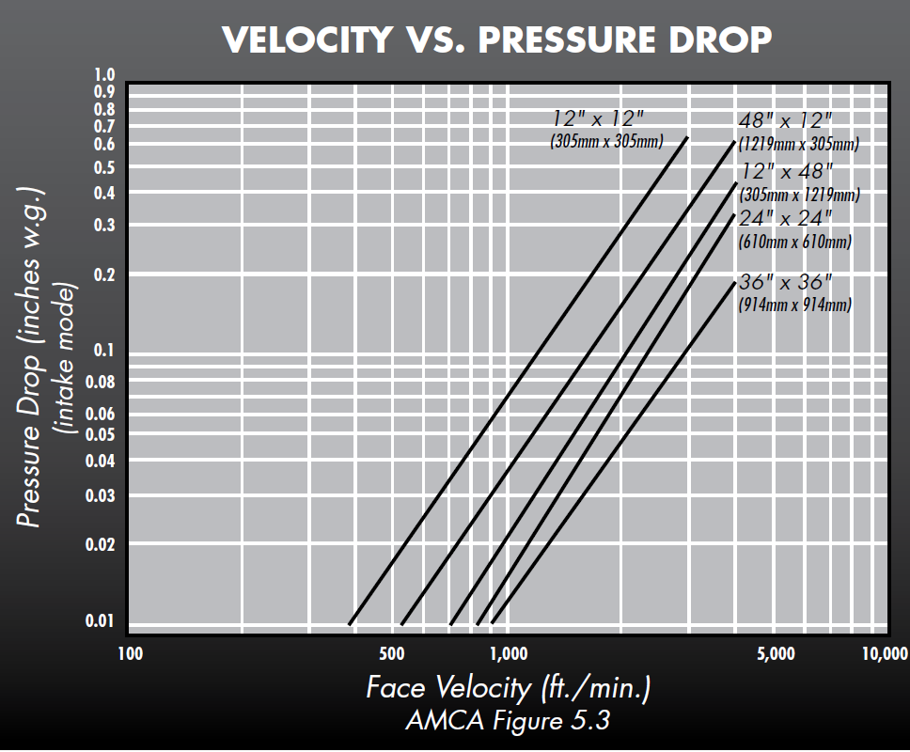
Design Damper Pressure Drop - 100% OA
Max plus min OA damper length - | 130 | inches
Max plus min OA damper width - | 38 | inches
Max plus min OA damper area - | 34 | sq.ft.
Flow rate - | 46,662 | cfm
Velocity - | 1,377 | fpm
Damper pressure drop - | 0.02 | in.w.c. (From T.A. Morrison curve to the right)
Plenum height - | 130 | inches
Plenum width - | 38 | inches
Flow rate - | 46,662 | cfm
Plenum velocity - | 1,377 | fpm
Plenum velocity pressure - | 0.12 | in.w.c.
C0 for damper entry - | 0.00 | Same size as damper
C0 for damper exit - | 0.97 | Same size as damper
Entry loss - | 0.00 | in.w.c.
Exit loss - | 0.11 | in.w.c.
Total damper pressure drop - | 0.13 | in.w.c.
Prefilter pressure drop allowance
Pressure drop allowance - | 0.90 | in.w.c. (Nothing specific called out; use shop drawing data)
Heating coil pressure drop
Pressure drop allowance - | 0.08 | in.w.c. (Equipment schedule)
Cooling coil pressure drop
Pressure drop allowance - | 0.89 | in.w.c. (Equipment schedule)
Final filters pressure drop allowance
Pressure drop allowance - | 1.50 | in.w.c. (Nothing specific called out; use shop drawing data)
Sound attenuators
Pressure drop allowance - | 0.02 | in.w.c. (Nothing specific called out; use shop drawing data)
Discharge duct loss to vertical duct down on 20C
Entry loss
Plenum wall thickness - | 4 | inches
Plenum height - | 47 | inches
Plenum width - | 152 | inches
Plenum area - | 50 | sq.ft.
Plenum flow rate - | 46,662 | cfm
Plenum velocity - | 936 | fpm
Duct height - | 35 | inches
Duct width - | 71 | inches
Duct area - | 17 | sq.ft.
Duct flow rate - | 46,662 | cfm
Duct velocity - | 2,676 | fpm
Velocity pressure - | 0.45 | in.w.c.
C0 for duct entry - | 0.17 | (ASHRAE Duct Fitting Data Base)
Entry loss - | 0.08 | in.w.c.
90° mitered elbow loss (typical of 2)
Duct height - | 35 | inches
Duct width - | 71 | inches
 | K = system effect multiplier for turning elements in series (elbows, offsets, etc.)
0.5 | 1
1 | 1.08
2 | 1.75
3 | 1.5
4 | 1.3
5 | 1.2
7.5 | 1.1
10 | 1
Duct area - | 17 | sq.ft.
Duct flow rate - | 46,662 | cfm
Duct velocity - | 2,676 | fpm
Velocity pressure - | 0.45 | in.w.c.
C0 for fitting - | 0.11 | (ASHRAE Duct Fitting Data Base; single thickness vane; 1-1/2" spacing; CR3-9)
Fitting loss - | 0.05 | in.w.c. per elbow
25° mitered offset loss
Duct height - | 35 | inches
Duct width - | 71 | inches
Duct area - | 17 | sq.ft.
Duct flow rate - | 46,662 | cfm
Duct velocity - | 2,676 | fpm
Velocity pressure - | 0.45 | in.w.c.
C0 for fitting - | 0.11 | (ASHRAE Duct Fitting Data Base; mitered elbow, no vanes; 25° angle; CR3-6)
Fitting loss - | 0.05 | in.w.c. per elbow
Fitting interaction - 90° elbow to 25° mitered offset - multiplier for 1st offset (see AMCA derived chart to the right)
Centerline distance between fittings - | 2 | ft.
Multiplier - | 1.75 | (AMCA Chart)
Modified loss first 25° offset- | 0.09 | in.w.c. per elbow
Fitting interaction - 25° elbow to 25° mitered offset - multiplier for 2nd offset (see AMCA derived chart to the right)
Centerline distance between fittings - | 9 | ft.
Multiplier - | 1.05 | (AMCA Chart)
Modified loss 2nd 25° offset- | 0.05 | in.w.c. per elbow
Fitting interaction - 25° offset to 90° mitered elbow with vanes - multiplier for 2nd elbow (see AMCA derived chart to the right)
Centerline distance between fittings - | 2 | ft.
Multiplier - | 1.75 | (AMCA Chart)
Modified loss 2nd 90° offset- | 0.09 | in.w.c. per elbow
Straight duct
Duct height - | 35 | inches
Duct width - | 71 | inches
Duct area - | 17 | sq.ft.
Flow rate - | 46,662 | cfm
Duct velocity - | 2,676 | fpm
Velocity pressure - | 0.45 | in.w.c.
Duct length - | 18.77 | ft.
Loss - | 0.03 | in.w.c. (ASHRAE Fitting Data Base)
Summary
Exit loss - | 0.08 | in.w.c.
First 90° elbow - | 0.05 | in.w.c.
First 25° offset - | 0.09 | in.w.c.
Straight duct - | 0.03 | in.w.c. (includes duct between fittings and duct from turn down to Level C)
Second 25° offset - | 0.05 | in.w.c.
Second 90° elbow - | 0.09 | in.w.c.
Total - | 0.38 | in.w.c.
Vertical duct through the first turn on level 20A
Straight duct
Duct height - | 35 | inches
Duct width - | 71 | inches
Duct area - | 17 | sq.ft.
Flow rate - | 46,662 | cfm
Duct velocity - | 2,676 | fpm
Velocity pressure - | 0.45 | in.w.c.
Duct length - | 32.35 | ft.
Loss - | 0.05 | in.w.c. (ASHRAE Fitting Data Base)
90° mitered elbow loss
Duct height - | 35 | inches
Duct width - | 71 | inches
Duct area - | 17 | sq.ft.
Duct flow rate - | 46,662 | cfm
Duct velocity - | 2,676 | fpm
Velocity pressure - | 0.45 | in.w.c.
C0 for fitting - | 0.11 | (ASHRAE Duct Fitting Data Base; single thickness vane; 1-1/2" spacing; CR3-9)
Fitting loss - | 0.05 | in.w.c. per elbow
Summary
Straight duct - | 0.05 | in.w.c. (includes duct between fittings and duct from turn down to Level C)
Elbow to horizontal on level 20A - | 0.05 | in.w.c.
Total - | 0.10 | in.w.c.
Level 20A duct up to the FSD at the shaft
Straight duct
Duct height - | 35 | inches
Duct width - | 71 | inches
Duct area - | 17 | sq.ft.
Flow rate - | 46,662 | cfm
Duct velocity - | 2,676 | fpm
Velocity pressure - | 0.45 | in.w.c.
Duct length - | 1.64 | ft.
Loss - | 0.00 | in.w.c. (ASHRAE Fitting Data Base)
90° mitered variable inlet/outlet area elbow loss |  |  | 90° mitered elbow loss with vanes
Duct height - | 35 | inches | Duct height - | 35 | inches
Duct width - in - | 71 | inches | Duct width - | 71 | inches
Duct area - in - | 17 | sq.ft. | Duct area - | 17 | sq.ft.
Duct width - out - | 79 | inches | Duct flow rate - | 46,662 | cfm (AHU8, AHU10, AHU12 on 100% OA)
Duct area - out - | 19 | sq.ft. | Duct velocity - | 2,676 | fpm
Duct flow rate - | 46,662 | cfm | Velocity pressure - | 0.45 | in.w.c.
Duct velocity - in - | 2,676 | fpm | C0 for fitting - | 0.11 | (ASHRAE Duct Fitting Data Base; single thickness vane; 1-1/2" spacing; CR3-9)
Velocity pressure - in - | 0.45 | in.w.c. | Fitting loss - | 0.05 | in.w.c. per elbow
Duct velocity - out - | 2,408 | fpm | 90° mitered elbow loss no vanes
Velocity pressure - out - | 0.36 | in.w.c. | Duct height - | 35 | inches
C0 for fitting - | 1.42 | (ASHRAE Duct Fitting Data Base; 90° variable inlet/outlet area; Idelchik 1986 Diagram 6-4) (ASHRAE does not show turning vanes; not sure how this impacts things but at least one field experience says they could make it worse not better; i.e. pressure drop improved when we took the vanes out. That experience was for a much bigger area change though) | Duct width - | 71 | inches
Fitting loss - | 0.51 | in.w.c. per elbow | Duct area - | 17 | sq.ft.
Modified loss with improvement factor for vanes - | 0.05 | (see calculations to the right)
Fitting interaction - 90° elbow to 90° elbow (See AMCA derived chart to the right) |  |  | Duct flow rate - | 46,662 | cfm (AHU8, AHU10, AHU12 on 100% OA)
Centerline distance between fittings - | 2 | ft. | Duct velocity - | 2,676 | fpm
Multiplier - | 1.78 | (AMCA Chart) | Velocity pressure - | 0.45 | in.w.c.
Modified loss - | 0.09 | in.w.c. per elbow | C0 for fitting - | 1.07 | (ASHRAE Duct Fitting Data Base; single thickness vane; 1-1/2" spacing; CR3-9)
Straight duct
Duct height - | 35 | inches
Duct width - | 79 | inches
Duct area - | 19 | sq.ft.
Flow rate - | 46,662 | cfm
Duct velocity - | 2,408 | fpm
Velocity pressure - | 0.36 | in.w.c.
Duct length - | 4.92 | ft.
Loss - | 0.01 | in.w.c. (ASHRAE Fitting Data Base)
Transition - Nozzel |  |  | Fitting loss - | 0.00 | in.w.c. per elbow
Duct height - | 35 | inches | Duct height - | 35 | inches
Duct width - in - | 79 | inches | Duct width - | 71 | inches
Duct area - in - | 19 | sq.ft. | Duct area - | 17 | sq.ft.
Duct height - out - | 41 | inches | Duct height - | 35 | inches
Duct width - out - | 55 | inches | Duct flow rate - | 46,662 | cfm (AHU8, AHU10, AHU12 on 100% OA)
Duct area - out - | 14 | sq.ft. | Duct velocity - | 2,676 | fpm
Duct flow rate - | 46,662 | cfm | Velocity pressure - | 0.45 | in.w.c.
Duct velocity - in - | 2,408 | fpm | C0 for fitting - | 0.11 | (ASHRAE Duct Fitting Data Base; single thickness vane; 1-1/2" spacing; CR3-9)
Velocity pressure - in - | 0.36 | in.w.c. | Fitting loss - | 0.05 | in.w.c. per elbow
Duct velocity - out - | 3,441 | fpm | 90° mitered elbow loss no vanes
Velocity pressure - out - | 0.74 | in.w.c. | Duct height - | 35 | inches
Static change (velocity pressure conversion) - | 0.38 | in.w.c.
90° mitered elbow loss |  |  | Fitting loss - | 0.48 | in.w.c. per elbow
Duct height - | 41 | inches | Improvement factor for vanes - | 0.10280373832
Duct width - | 55 | inches
Duct area - | 16 | sq.ft.
Duct flow rate - | 46,662 | cfm
Duct velocity - | 2,949 | fpm
Velocity pressure - | 0.54 | in.w.c.
C0 for fitting - | 0.11 | (ASHRAE Duct Fitting Data Base; single thickness vane; 1-1/2" spacing; CR3-9)
Fitting loss - | 0.06 | in.w.c. per elbow
Fitting interaction -Transition to 90° elbow (See AMCA derived chart to the right) |  |  | Duct flow rate - | 0 | cfm (AHU8, AHU10, AHU12 on 100% OA)
Centerline distance between fittings - | 5 | ft. | Duct velocity - | #DIV/0! | fpm
Multiplier - | 1.30 | (AMCA Chart) | Velocity pressure - | #DIV/0! | in.w.c.
Modified loss - | 0.08 | in.w.c. per elbow | C0 for fitting - | 1.07 | (ASHRAE Duct Fitting Data Base; single thickness vane; 1-1/2" spacing; CR3-9)
Straight duct
Duct height - | 41 | inches
Duct width - | 55 | inches
Duct area - | 16 | sq.ft.
Flow rate - | 46,662 | cfm
Duct velocity - | 2,949 | fpm
Velocity pressure - | 0.54 | in.w.c.
Duct length - | 3.28 | ft.
Loss - | 0.01 | in.w.c. (ASHRAE Fitting Data Base)
Summary
Straight duct - | 0.00 | in.w.c.
First 90° elbow - | 0.09 | in.w.c.
Straight duct - | 0.01 | in.w.c.
Transition (conversion to VP) - | 0.38 | in.w.c.
Second 90° elbow - | 0.08 | in.w.c.
Straight duct - | 0.01 | in.w.c.
Total - | 0.57 | in.w.c.
Through FSD and elbow down
FSD loss
Duct height - | 41 | inches
Duct width - | 55 | inches
Duct area - | 16 | sq.ft.
Duct flow rate - | 46,662 | cfm
Duct velocity - | 2,949 | fpm
Velocity pressure - | 0.54 | in.w.c.
C0 for fitting - | 0.18 | (ASHRAE Duct Fitting Data Base; Parallel or Opposed Blade Airfoil Damper; CR9-4)
Fitting loss - | 0.10 | in.w.c.
90° mitered elbow loss
Duct height - | 41 | inches
Duct width - | 55 | inches
Duct area - | 16 | sq.ft.
Duct flow rate - | 46,662 | cfm
Duct velocity - | 2,949 | fpm
Velocity pressure - | 0.54 | in.w.c.
C0 for fitting - | 0.11 | (ASHRAE Duct Fitting Data Base; single thickness vane; 1-1/2" spacing; CR3-9)
Fitting loss - | 0.06 | in.w.c. per elbow
Summary
FSD - | 0.10 | in.w.c.
90° elbow - | 0.06 | in.w.c.
Total - | 0.16 | in.w.c.
Main shaft to Level 9 take-off
Straight duct to offset
Duct height - | 41 | inches
Duct width - | 55 | inches
Duct area - | 16 | sq.ft.
Flow rate - | 46,662 | cfm
Duct velocity - | 2,949 | fpm
Velocity pressure - | 0.54 | in.w.c.
Duct length - | 196.52 | ft.
Loss - | 0.36 | in.w.c. (ASHRAE Fitting Data Base)
45° radiused elbow loss - first elbow
Duct height - | 41 | inches
Duct width - | 55 | inches
Duct area - | 16 | sq.ft.
Duct flow rate - | 46,662 | cfm
Duct velocity - | 2,949 | fpm
Velocity pressure - | 0.54 | in.w.c.
C0 for fitting - | 0.08 | (ASHRAE Duct Fitting Data Base; smooth radius with out vanes; CR3-1)
Fitting loss - | 0.04 | in.w.c. per elbow
45° radiused elbow loss - second elbow
Duct height - | 41 | inches
Duct width - | 55 | inches
Duct area - | 16 | sq.ft.
Duct flow rate - | 46,662 | cfm
Duct velocity - | 2,949 | fpm
Velocity pressure - | 0.54 | in.w.c.
C0 for fitting - | 0.08 | (ASHRAE Duct Fitting Data Base; smooth radius with out vanes; CR3-1)
Fitting loss - | 0.04 | in.w.c. per elbow
Fitting interaction - elbows (See AMCA derived chart to the right)
Centerline distance between fittings - | 5 | ft.
Multiplier - | 1.30 | (AMCA Chart)
Modified loss - | 0.06 | in.w.c. per elbow
Summary
Straight duct - | 0.36 | in.w.c.
First 45° elbow - | 0.04 | in.w.c.
Second 45° elbow - | 0.06 | in.w.c.
Total - | 0.46 | in.w.c.
Level 9 to Level 8 take-off
Flow through main past branch tap
Duct height in - | 41 | inches
Duct width in - | 55 | inches
Duct area in - | 16 | sq.ft.
Duct flow rate in - | 46,662 | cfm
Duct velocity in - | 2,949 | fpm
Velocity pressure in - | 0.54 | in.w.c.
Duct height out - | 41 | inches
Duct width out - | 55 | inches
Duct area out - | 16 | sq.ft.
Duct flow rate out - | 43,058 | cfm
Duct velocity out - | 2,721 | fpm
Velocity pressure out - | 0.46 | in.w.c.
Branch height - | 35 | inches
Branch width - | 17 | inches
Branch area - | 4 | sq.ft.
Branch flow rate - | 3,604 | cfm
Branch velocity - | 875 | fpm
Branch velocity pressure - | 0.05 | in.w.c.
C0 for main - | 0.05 | (ASHRAE Duct Fitting Data Base; SR5-13)
Main loss - | 0.02 | in.w.c.
C0 for branch - | 1.38 | (ASHRAE Duct Fitting Data Base; SR5-13)
Branch loss - | 0.07 | in.w.c.
Straight duct
Duct height - | 41 | inches
Duct width - | 55 | inches
Duct area - | 16 | sq.ft.
Flow rate - | 43,058 | cfm
Duct velocity - | 2,721 | fpm
Velocity pressure - | 0.46 | in.w.c.
Duct length - | 20.34 | ft.
Loss - | 0.03 | in.w.c. (ASHRAE Fitting Data Base)
Summary
Junction - flow through main - | 0.02 | in.w.c.
Straight duct - | 0.03 | in.w.c.
Total - | 0.05 | in.w.c.
Level 8 to Level 7 take-off
Flow through main past branch tap
Duct height in - | 41 | inches
Duct width in - | 55 | inches
Duct area in - | 16 | sq.ft.
Duct flow rate in - | 43,058 | cfm
Duct velocity in - | 2,721 | fpm
Velocity pressure in - | 0.46 | in.w.c.
Duct height out - | 41 | inches
Duct width out - | 55 | inches
Duct area out - | 16 | sq.ft.
Duct flow rate out - | 39,398 | cfm
Duct velocity out - | 2,490 | fpm
Velocity pressure out - | 0.39 | in.w.c.
Branch height - | 28 | inches
Branch width - | 22 | inches
Branch area - | 4 | sq.ft.
Branch flow rate - | 3,659 | cfm
Branch velocity - | 883 | fpm
Branch velocity pressure - | 0.05 | in.w.c.
C0 for main - | 0.06 | (ASHRAE Duct Fitting Data Base; SR5-13)
Main loss - | 0.02 | in.w.c.
C0 for branch - | 1.51 | (ASHRAE Duct Fitting Data Base; SR5-13)
Branch loss - | 0.07 | in.w.c.
Straight duct
Duct height - | 41 | inches
Duct width - | 55 | inches
Duct area - | 16 | sq.ft.
Flow rate - | 39,398 | cfm
Duct velocity - | 2,490 | fpm
Velocity pressure - | 0.39 | in.w.c.
Duct length - | 20.34 | ft.
Loss - | 0.03 | in.w.c. (ASHRAE Fitting Data Base)
Summary
Junction - flow through main - | 0.02 | in.w.c.
Straight duct - | 0.03 | in.w.c.
Total - | 0.05 | in.w.c.
Level 7 to Level 6 take-off
Flow through main past branch tap
...

