System Curve
Known point | 1100 | gpm | Known point | 1100 | gpm
 | 40 | ft.w.c |  | 28 | ft.w.c
 |  |  | Extra pressure drop at TDV - | 12

Flow Rate, gpm | Head, ft.w.c. |  | Flow Rate, gpm | Head, ft.w.c.
1,400 | 64.79 |  | 1,400 | 45.36
1,200 | 47.60 |  | 1,200 | 33.32
1,100 | 40.00 | Given | 1,100 | 28.00 | Given
800 | 21.16 |  | 800 | 14.81
600 | 11.90 |  | 600 | 8.33
400 | 5.29 |  | 400 | 3.70
300 | 2.98 |  | 300 | 2.08
200 | 1.32 |  | 200 | 0.93
150 | 0.74 |  | 150 | 0.52
100 | 0.33 |  | 100 | 0.23
75 | 0.19 |  | 75 | 0.13
50 | 0.08 |  | 50 | 0.06
25 | 0.02 |  | 25 | 0.01
0 | 0.00 |  | 0 | 0.00
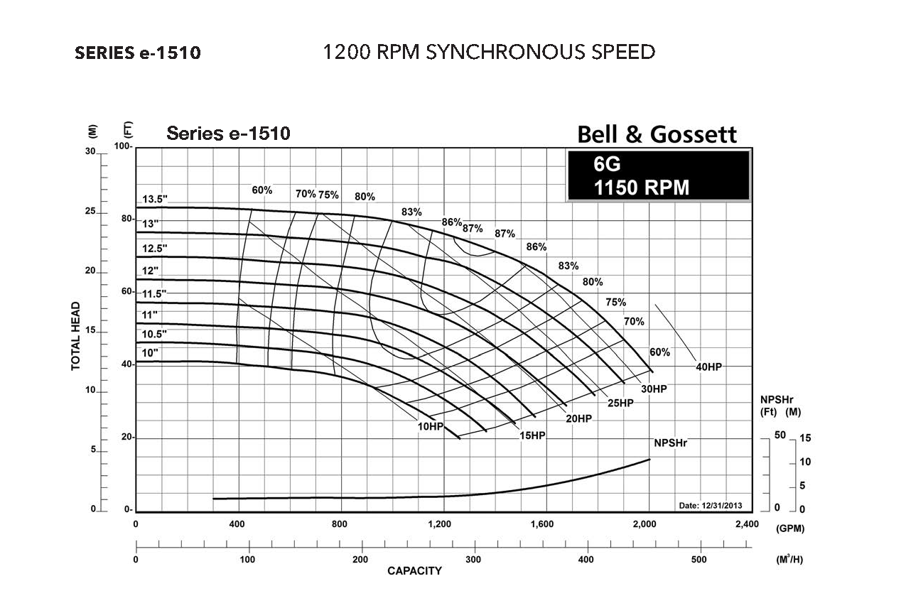
Projected Impeller Line
Wide Open Operating Point
System Curve Plotted from Square Law
Estimated Head Requirement at Design Flow; a.k.a. the Optimization Target
Design Point

