Pump head estimate
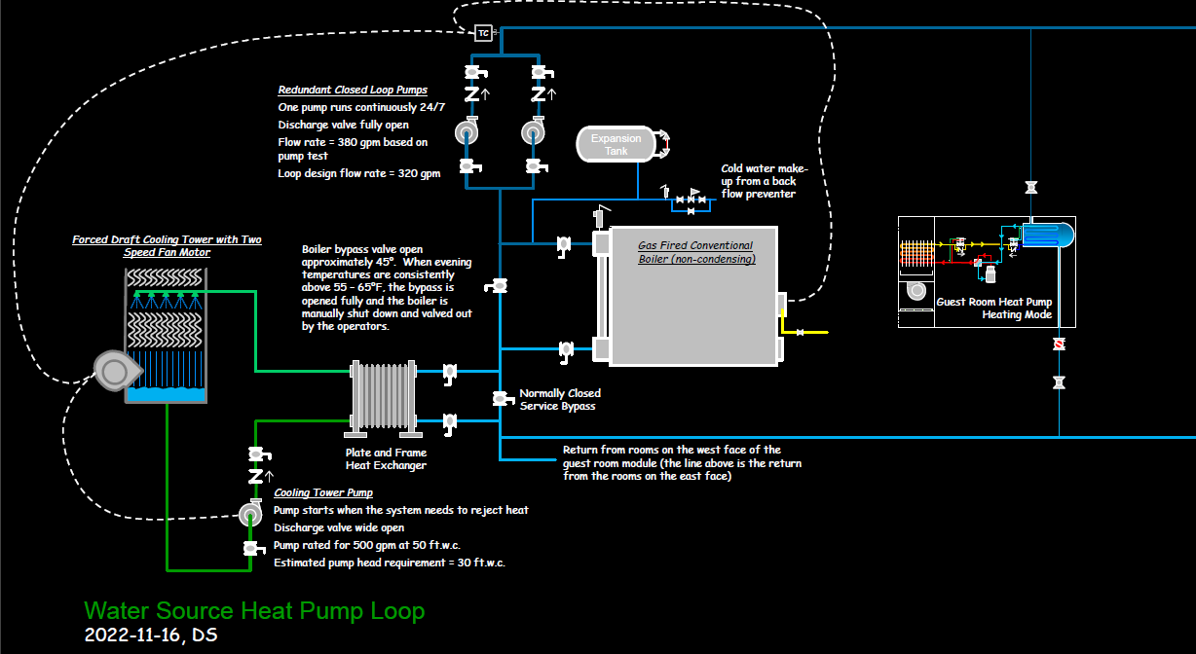
Item | Loss, ft.w.c. |  |  | Friction rate - ft.w.c. per 100 ft. of pipe - From Syzer or a pipe friction chart or a rule of thumb
 | Low End | High End | Linear ft | Low | High
Linear feet of pipe | 10 | 20 | 500 | 2 | 4
Fittings | 10 | 20 | Rule of Thumb for HVAC piping systems - Fittings are typically another 50%-100% of the head associated with the linear feet of pipe
Heat Exchanger | 10 | 20 | Past experience, submittals, contract drawings, observed readings
Boiler | 10 | 15 | Past experience, submittals, contract drawings, observed readings
Most Remote Heat Pump | 10 | 15 | Past experience, submittals, contract drawings, observed readings
Total | 50 | 90

The load is the load
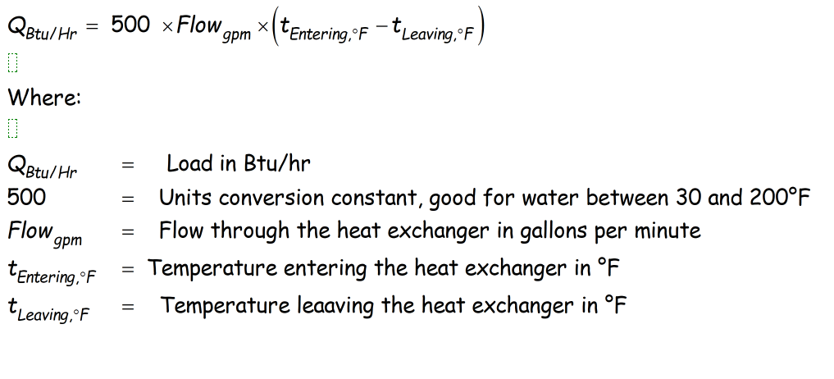
Load | 24000 | Btu/hr | Design target - | 320
Flow | 4 | gpm | Reality | 385
Delta t - | 12 | °F |  | 1.203125
Reduce the flow rate by 20%
Load | 24000 | Btu/hr
Flow | 3.2 | gpm
Delta t - | 15 | °F
Reduce the flow rate by 20%
Load | 12000 | Btu/hr
Flow | 3.2 | gpm
Delta t - | 7.5 | °F

