Sheet1
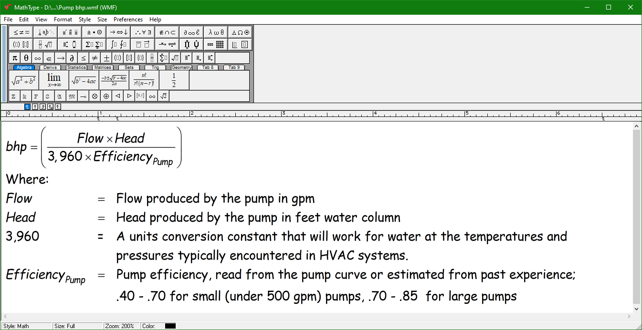
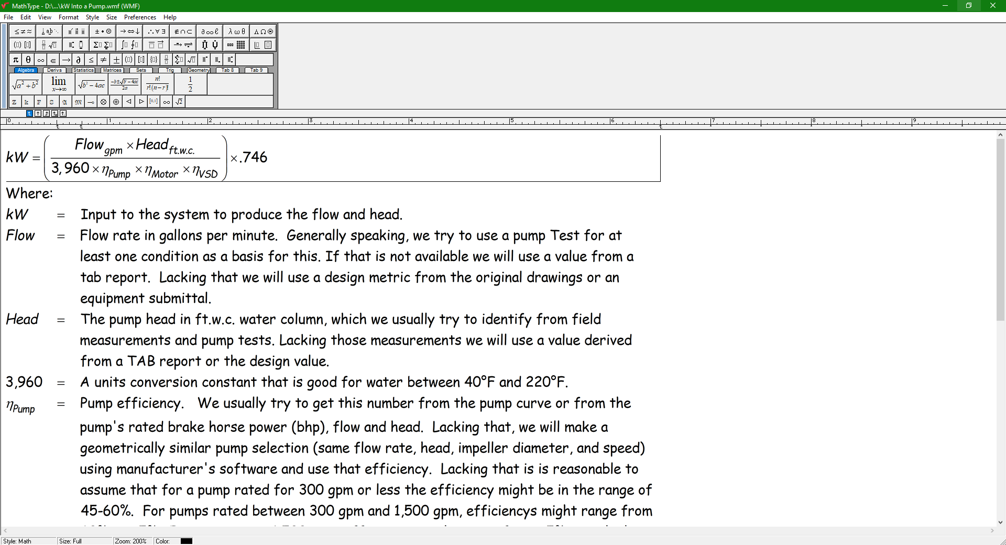

 | Basis of Design Pump | Substitution
Flow - | 1,380 | 1,380
Head - | 193 | 193
Efficiency - | 79% | 77%
Bhp - | 85.1 | 87.3
Motor Efficiency - | 95% | 95%
VSD Efficiency - | 97% | 97%
Bhp to kW | 0.746 | 0.746
kW | 68.9 | 70.7
Hours per year | 8,760 | 8,760
kWh for a year | 603,756 | 619,438
Annual Penalty | Base case | 15,682
Electric rate - | $0.08 | $0.08
Annual Cost Penalty - |  | $1,255
Job started up | 2,000 | $28,855
Years in operatoin | 23

