Sheet1
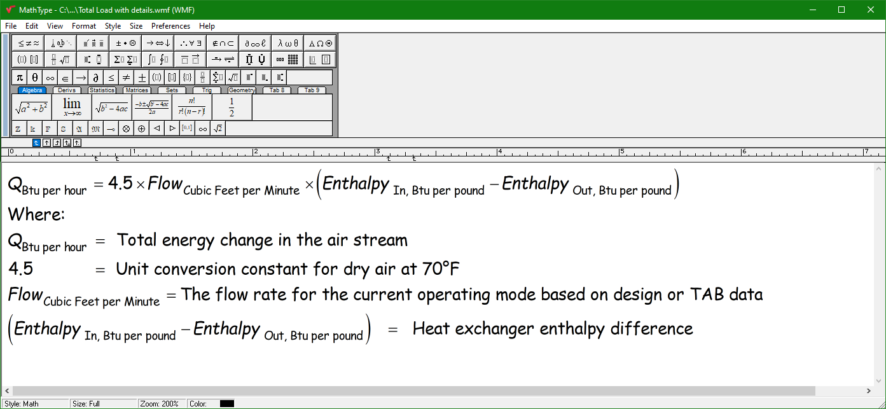
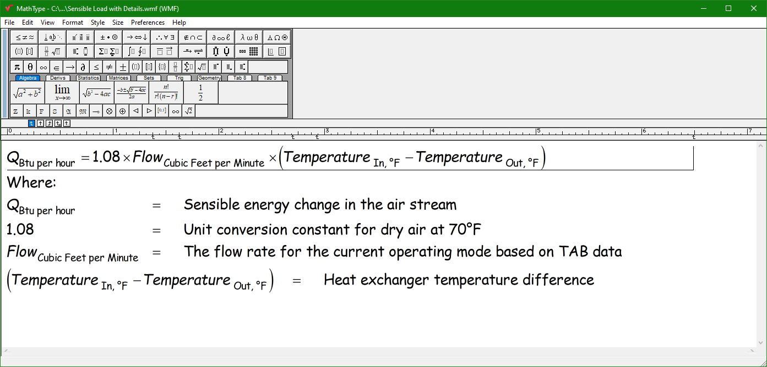

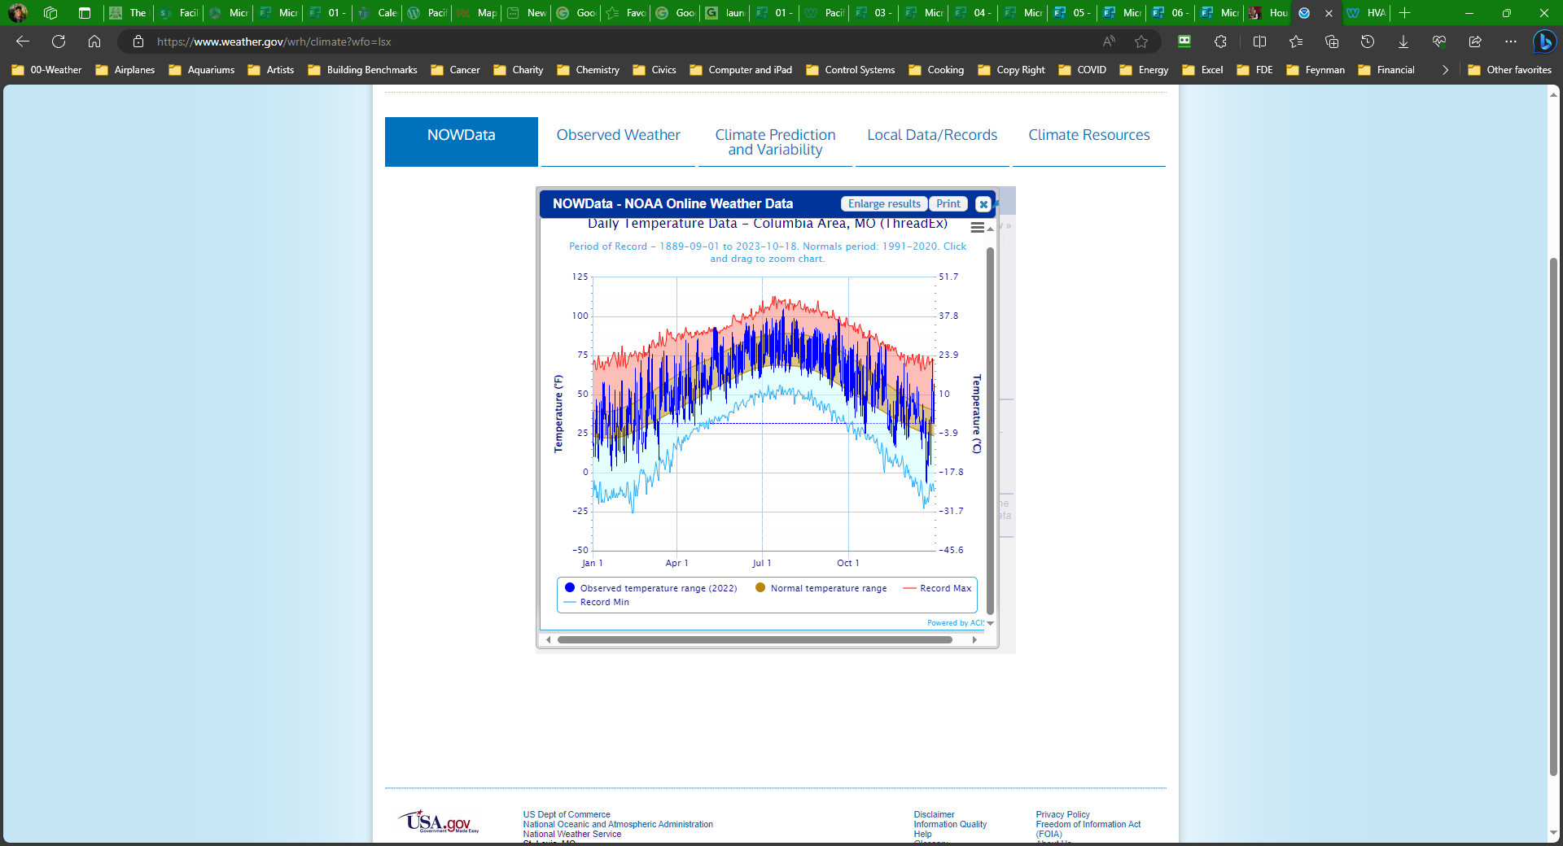
Design Day, "Normal) minimum)
Flow - | 900 | cfm
EAT | 23 | °F (St. Louis
LAT | 72 | °F (Neutral air)
Q - | 47628 | Btu/hr

50°F
Flow - | 900 | cfm
EAT | 50 | °F (St. Louis
LAT | 72 | °F (Neutral air)
Q - | 21384 | Btu/hr

60°F
Flow - | 900 | cfm
EAT | 60 | °F (St. Louis
LAT | 72 | °F (Neutral air)
Q - | 11664 | Btu/hr

NOWData Blog Post (How to get the data to the left)
https://av8rdas.wordpress.com/2019/02/17/a-new-resource-for-looking-at-climate-data/

