Instructions

Facility Dynamics Headquarters - 6760 Alexander Bell Drive, Suite 200, Columbia, MD 21046, Phone: (410) 290-0900; www.facilitydynamics.com
Facility Dynamics NW Satellite Location - 8560 North Buchanan Avenue, Portland, Oregon 97203, Phone: ; www.facilitydynamics.com
Engineering Calculation
Date: |  |  | 2021-07-01
Project Name: |  |  | Benchmarking Tool
Project Number:
Engineer: |  |  | David Sellers
Notice: Facility Dynamics Engineering has provided this spreadsheet to support training classes and personal development. We are happy to have you use it to learn about building systems and related concepts and calculations But you are using it at your own risk and neither FDE nor I can be responsible for the results you generate with it and the decisions you make as a result. Please check your work and use your head. In addition, we consider the spreadsheet to be original work and intellectual property. In other words, we own the spreadsheet and it is copyrighted in our name. Having said that, it is important to us to strike an appropriate balance between a desire to support the industry and pass on knowledge that has been handed down to us by our mentors and people like Isaac Newton and Willis Carrier for example, while protecting our intellectual property rights. So thank you in advance for being conscious of that as you apply this spreadsheet. By opening and working with this file, you are acknowledging that you have read and understand this copyright notice and will comply with its requirements including our list of permissions. To view our permissions, please visit http://www.av8rdas.com/copyright-and-permissions.html.
Overview and General Instructions
1 | The "Average Daily Data" tab feeds the "Benchmark Data" tab. You paste your data into the cells that are highlighted in yellow.
2 | You only need data for one full year and the spread sheet currently is set up to look at the totals in the 2014 columns. If you have data from multiple years and load it in, you can make copies of the "Bencmark Data" tab, reference different totals, and compare the benchmarks across time.

3 | I like to provide links to the files that are the sources for my data in the cells that are highlighted in orange, but this is optional in terms of making the spreadsheet work or not.

4 | The spreadsheet is currently set up for electrical and thermal energy. But you could easily adapt it to look at other resources like water by adding columns and copying and pasting formulas.

5 | On the "Benchmark Data" tab, you need to:
 | - | Enter the building square footage into the cell higlighted in yellow
 | - | Verify that the source energy conversion values I have in place are still accurate. The link should take you to a good resource for verifying this.
 | - | Reference the formulas in the cells highlighted in orange to the correct totals on the Average Daily Data tab.
6 | Resources for developing and understanding average daily energy consumption can be found at the following link under the Using Utility Bills and Average Daily Energy Consumption to Target Commissioning Efforts and Track Building Performance topic.

 | https://www.av8rdas.com/icebo.html

Monthly Totals
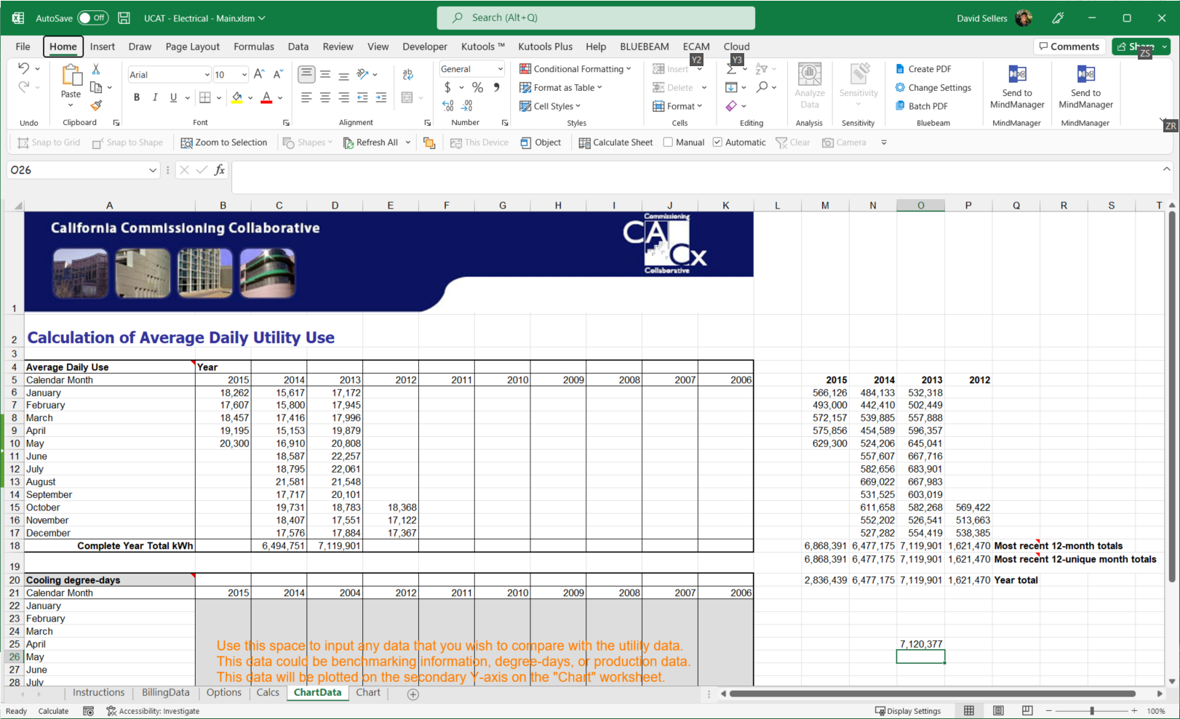
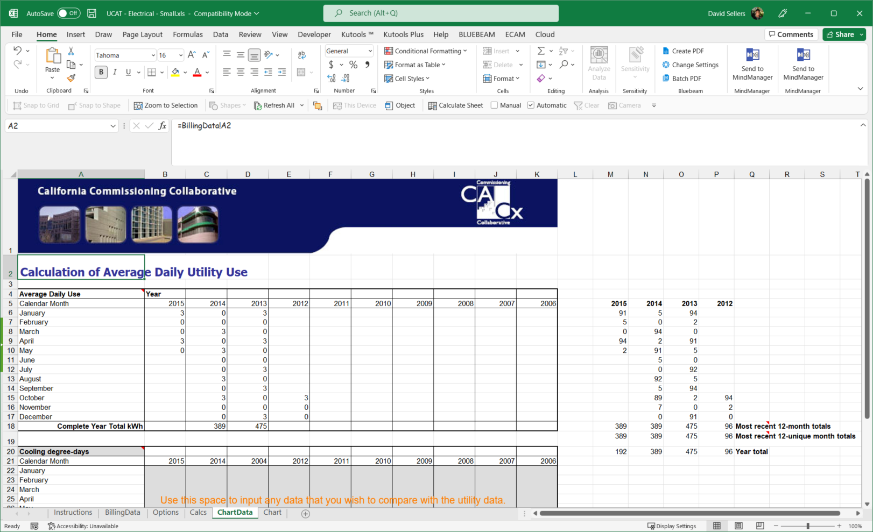
Sources - | Link to Meter Source Data
 | Link to Meter Source Data
 | Link to Meter Source Data
 | Link to Meter Source Data

Month | 2013 Monthly Totals |  |  | 2014 Monthly Totals |  |  | 2015 Monthly Totals
 | kWh | Therms | Water | kWh | Therms | Water | kWh | Therms | Water
TOTAL | 7,120,377 | 412,659 | 0 | 6,477,564 | 365,139 | 0 | 2,836,631 | 143,461 | 0
January | 532,413 | 48,086 |  | 484,138 | 41,684 |  | 566,217 | 48,359
February | 502,451 | 41,523 |  | 442,410 | 35,734 |  | 493,005 | 38,691
March | 557,888 | 43,232 |  | 539,979 | 33,569 |  | 572,157 | 32,178
April | 596,448 | 31,405 |  | 454,591 | 22,716 |  | 575,951 | 24,234
May | 645,046 | 23,693 |  | 524,298 | 17,645 |  | 629,302
June | 667,716 | 19,843 |  | 557,611 | 15,814
July | 683,992 | 21,140 |  | 582,656 | 17,197
August | 667,988 | 23,474 |  | 669,114 | 20,492
September | 603,114 | 30,623 |  | 531,529 | 28,323
October | 582,270 | 40,128 |  | 611,746 | 39,637
November | 526,541 | 43,574 |  | 552,209 | 45,166
December | 554,510 | 45,938 |  | 527,282 | 47,162

When I use this spreadsheet, I typically am using it along with the UCAT tool, which you will find at this link along with a paper describing the analysis technique it automates.
https://www.av8rdas.com/icebo.html
If you use the same approach it is important to recognize that the tool includes a table with both the average daily consumption for a month as well as the total consumption for the month.
Since an EUI is based on total consumption, it is important that you use the data from the UCAT tool table with the totals in it, not the table with the average daily consumption in it.
The images below illustrate what I mean. Specifically, for the project I am using as an example, the 2013 kWh totals in the table above are created by adding up the totals in the two
tables highlighted below. The tables are in the Chart Data tab of the UCAT tool.

